Picture
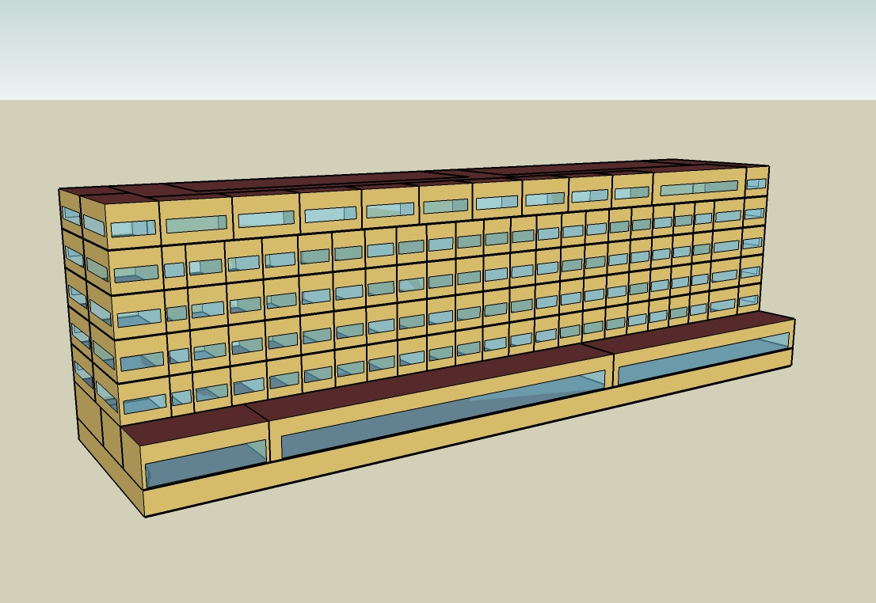
DOE Commercial Building Benchmark - Large Hotel

Electricity
 | Cooling | Interior Lighting | Exterior Lighting | Interior Equipment | Fans | Pumps | Refrigeration
Miami | 2,473,577.78 | 403,711.11 | 73,227.78 | 542,272.22 | 309,716.67 | 27,263.89 | 21,802.78
Houston | 1,922,511.11 | 403,711.11 | 73,200.00 | 542,272.22 | 307,955.56 | 25,947.22 | 21,111.11
Phoenix | 1,696,519.44 | 403,711.11 | 73,186.11 | 542,272.22 | 315,072.22 | 22,369.44 | 21,261.11
Atlanta | 1,539,083.33 | 403,711.11 | 73,175.00 | 542,272.22 | 310,077.78 | 21,572.22 | 20,502.78
Los Angeles | 1,240,972.22 | 403,711.11 | 73,119.44 | 542,272.22 | 304,750.00 | 18,236.11 | 20,577.78
Las Vegas | 1,267,744.44 | 403,711.11 | 73,102.78 | 542,272.22 | 314,225.00 | 19,922.22 | 20,786.11
San Francisco | 829,913.89 | 403,711.11 | 73,141.67 | 542,272.22 | 319,327.78 | 16,083.33 | 20,044.44
Baltimore | 1,325,252.78 | 403,711.11 | 73,097.22 | 542,272.22 | 306,825.00 | 19,786.11 | 20,041.67
Albuquerque | 855,319.44 | 403,711.11 | 73,125.00 | 542,272.22 | 315,902.78 | 17,569.44 | 20,063.89
Seattle | 754,883.33 | 403,711.11 | 72,977.78 | 542,272.22 | 305,997.22 | 15,366.67 | 19,686.11
Chicago | 1,132,000.00 | 403,711.11 | 73,108.33 | 542,272.22 | 306,986.11 | 18,391.67 | 19,719.44
Boulder | 775,008.33 | 403,711.11 | 73,066.67 | 542,272.22 | 313,541.67 | 16,661.11 | 19,705.56
Minneapolis | 1,037,511.11 | 403,711.11 | 73,061.11 | 542,272.22 | 307,527.78 | 18,725.00 | 19,552.78
Helena | 664,219.44 | 403,711.11 | 73,044.44 | 542,272.22 | 311,105.56 | 16,461.11 | 19,372.22
Duluth | 784,025.00 | 403,711.11 | 73,000.00 | 542,272.22 | 312,308.33 | 17,183.33 | 19,105.56
Fairbanks | 473,508.33 | 403,711.11 | 72,555.56 | 542,272.22 | 301,847.22 | 17,794.44 | 18,755.56

Gas
 | Heating | Interior Equipment | Water Systems
Miami | 163,130.00 | 1,238,650.00 | 3,783,270.00
Houston | 764,610.00 | 1,238,650.00 | 4,783,250.00
Phoenix | 488,420.00 | 1,238,650.00 | 4,208,800.00
Atlanta | 1,309,170.00 | 1,238,650.00 | 5,746,390.00
Los Angeles | 398,120.00 | 1,238,650.00 | 5,559,180.00
Las Vegas | 771,390.00 | 1,238,650.00 | 4,901,120.00
San Francisco | 847,750.00 | 1,238,650.00 | 6,383,390.00
Baltimore | 2,210,560.00 | 1,238,650.00 | 6,503,480.00
Albuquerque | 1,582,800.00 | 1,238,650.00 | 6,359,940.00
Seattle | 1,932,820.00 | 1,238,650.00 | 6,897,280.00
Chicago | 3,123,500.00 | 1,238,650.00 | 7,167,980.00
Boulder | 2,363,710.00 | 1,238,650.00 | 7,133,270.00
Minneapolis | 4,075,290.00 | 1,238,650.00 | 7,742,140.00
Helena | 3,490,640.00 | 1,238,650.00 | 7,846,380.00
Duluth | 5,096,210.00 | 1,238,650.00 | 8,689,130.00
Fairbanks | 7,836,740.00 | 1,238,650.00 | 9,835,500.00

EUI
 | Cooling (elec) | Interior Lighting (elec) | Exterior Lighting (elec) | Interior Equipment (elec) | Fans (elec) | Pumps (elec) | Refrigeration (elec) | Heating (gas) | Interior Equipment (gas) | Water Systems (gas)
Miami | 784.90 | 128.10 | 23.24 | 172.07 | 98.28 | 8.65 | 6.92 | 14.38 | 109.18 | 333.47
Houston | 610.04 | 128.10 | 23.23 | 172.07 | 97.72 | 8.23 | 6.70 | 67.39 | 109.18 | 421.61
Phoenix | 538.33 | 128.10 | 23.22 | 172.07 | 99.98 | 7.10 | 6.75 | 43.05 | 109.18 | 370.97
Atlanta | 488.37 | 128.10 | 23.22 | 172.07 | 98.39 | 6.85 | 6.51 | 115.39 | 109.18 | 506.50
Los Angeles | 393.78 | 128.10 | 23.20 | 172.07 | 96.70 | 5.79 | 6.53 | 35.09 | 109.18 | 490.00
Las Vegas | 402.27 | 128.10 | 23.20 | 172.07 | 99.71 | 6.32 | 6.60 | 67.99 | 109.18 | 432.00
San Francisco | 263.34 | 128.10 | 23.21 | 172.07 | 101.33 | 5.10 | 6.36 | 74.72 | 109.18 | 562.65
Baltimore | 420.52 | 128.10 | 23.19 | 172.07 | 97.36 | 6.28 | 6.36 | 194.84 | 109.18 | 573.23
Albuquerque | 271.40 | 128.10 | 23.20 | 172.07 | 100.24 | 5.58 | 6.37 | 139.51 | 109.18 | 560.58
Seattle | 239.53 | 128.10 | 23.16 | 172.07 | 97.10 | 4.88 | 6.25 | 170.36 | 109.18 | 607.94
Chicago | 359.20 | 128.10 | 23.20 | 172.07 | 97.41 | 5.84 | 6.26 | 275.31 | 109.18 | 631.80
Boulder | 245.92 | 128.10 | 23.18 | 172.07 | 99.49 | 5.29 | 6.25 | 208.34 | 109.18 | 628.74
Minneapolis | 329.22 | 128.10 | 23.18 | 172.07 | 97.58 | 5.94 | 6.20 | 359.21 | 109.18 | 682.41
Helena | 210.76 | 128.10 | 23.18 | 172.07 | 98.72 | 5.22 | 6.15 | 307.67 | 109.18 | 691.60
Duluth | 248.78 | 128.10 | 23.16 | 172.07 | 99.10 | 5.45 | 6.06 | 449.19 | 109.18 | 765.88
Fairbanks | 150.25 | 128.10 | 23.02 | 172.07 | 95.78 | 5.65 | 5.95 | 690.75 | 109.18 | 866.92

Water
 | Total Building | Water for Electricity (m3)
Miami | 44,332.90 | 2,179.84
Houston | 44,332.90 | 5,792.46
Phoenix | 44,332.90 | 99,166.10
Atlanta | 44,332.90 | 19,814.70
Los Angeles | 44,332.90 | 50,335.40
Las Vegas | 44,332.90 | 79,708.20
San Francisco | 44,332.90 | 43,327.20
Baltimore | 44,332.90 | 670.72
Albuquerque | 44,332.90 | 11,311.90
Seattle | 44,332.90 | 24,296.60
Chicago | 44,332.90 | 4,281.42
Boulder | 44,332.90 | 10,931.30
Minneapolis | 44,332.90 | 4,137.13
Helena | 44,332.90 | 145,321.00
Duluth | 44,332.90 | 3,748.97
Fairbanks | 44,332.90 | 2,143.08

Carbon
 | Carbon Equivalent (kg)
Miami | 1,221,980.00
Houston | 1,309,840.00
Phoenix | 1,114,830.00
Atlanta | 1,127,150.00
Los Angeles | 464,798.68
Las Vegas | 1,104,560.00
San Francisco | 441,122.58
Baltimore | 976,691.46
Albuquerque | 1,183,200.00
Seattle | 354,773.75
Chicago | 1,679,220.00
Boulder | 1,176,990.00
Minneapolis | 1,148,210.00
Helena | 1,065,140.00
Duluth | 1,098,050.00
Fairbanks | 931,252.84

LghtSch
Lighting Schedules
 | Weekday | Saturday | Sunday
 | 0.2 | 0.2 | 0.3
 | 0.15 | 0.2 | 0.3
 | 0.1 | 0.1 | 0.2
 | 0.1 | 0.1 | 0.2
 | 0.1 | 0.1 | 0.2
 | 0.2 | 0.1 | 0.2
 | 0.4 | 0.3 | 0.3
 | 0.5 | 0.3 | 0.4
 | 0.4 | 0.4 | 0.4
 | 0.4 | 0.4 | 0.3
 | 0.25 | 0.3 | 0.3
 | 0.25 | 0.25 | 0.3
 | 0.25 | 0.25 | 0.3
 | 0.25 | 0.25 | 0.2
 | 0.25 | 0.25 | 0.2
 | 0.25 | 0.25 | 0.2
 | 0.25 | 0.25 | 0.2
 | 0.25 | 0.25 | 0.2
 | 0.6 | 0.6 | 0.5
 | 0.8 | 0.7 | 0.7
 | 0.9 | 0.7 | 0.8
 | 0.8 | 0.7 | 0.6
 | 0.6 | 0.6 | 0.5
 | 0.3 | 0.3 | 0.3

RmLghtSch
Guest Room Lighting Schedules
 | Weekday | Weekend
 | 0.22 | 0.26
 | 0.17 | 0.26
 | 0.11 | 0.11
 | 0.11 | 0.11
 | 0.11 | 0.11
 | 0.22 | 0.11
 | 0.44 | 0.41
 | 0.56 | 0.41
 | 0.44 | 0.56
 | 0.44 | 0.56
 | 0.28 | 0.41
 | 0.28 | 0.33
 | 0.28 | 0.33
 | 0.28 | 0.33
 | 0.28 | 0.33
 | 0.28 | 0.33
 | 0.28 | 0.33
 | 0.28 | 0.33
 | 0.67 | 0.85
 | 0.89 | 1
 | 1 | 1
 | 0.89 | 1
 | 0.67 | 0.85
 | 0.33 | 0.41

EqpSch
Equipment Schedules
 | Weekday | Saturday | Sunday
 | 0.3 | 0.3 | 0.4
 | 0.25 | 0.3 | 0.4
 | 0.2 | 0.2 | 0.3
 | 0.2 | 0.2 | 0.3
 | 0.2 | 0.2 | 0.3
 | 0.3 | 0.2 | 0.3
 | 0.5 | 0.4 | 0.4
 | 0.6 | 0.4 | 0.5
 | 0.5 | 0.5 | 0.5
 | 0.5 | 0.5 | 0.4
 | 0.35 | 0.4 | 0.4
 | 0.35 | 0.35 | 0.4
 | 0.35 | 0.35 | 0.4
 | 0.35 | 0.35 | 0.3
 | 0.35 | 0.35 | 0.3
 | 0.35 | 0.35 | 0.3
 | 0.35 | 0.35 | 0.3
 | 0.35 | 0.35 | 0.3
 | 0.7 | 0.7 | 0.6
 | 0.9 | 0.8 | 0.8
 | 0.95 | 0.8 | 0.9
 | 0.9 | 0.8 | 0.7
 | 0.7 | 0.7 | 0.6
 | 0.4 | 0.4 | 0.4

RmEqpSch
Guest Room Equipment Schedules
 | Weekday | Weekend
 | 0.2 | 0.2
 | 0.2 | 0.2
 | 0.2 | 0.2
 | 0.2 | 0.2
 | 0.2 | 0.2
 | 0.2 | 0.2
 | 0.62 | 0.3
 | 0.9 | 0.62
 | 0.43 | 0.9
 | 0.43 | 0.62
 | 0.26 | 0.29
 | 0.26 | 0.29
 | 0.26 | 0.29
 | 0.26 | 0.29
 | 0.26 | 0.29
 | 0.26 | 0.29
 | 0.26 | 0.29
 | 0.51 | 0.43
 | 0.51 | 0.51
 | 0.49 | 0.49
 | 0.66 | 0.66
 | 0.7 | 0.7
 | 0.35 | 0.35
 | 0.2 | 0.2

OccSch
Occupancy Schedules
 | Weekday | Saturday | Sunday
 | 0.9 | 0.9 | 0.7
 | 0.9 | 0.9 | 0.7
 | 0.9 | 0.9 | 0.7
 | 0.9 | 0.9 | 0.7
 | 0.9 | 0.9 | 0.7
 | 0.9 | 0.9 | 0.7
 | 0.7 | 0.7 | 0.7
 | 0.4 | 0.5 | 0.7
 | 0.4 | 0.5 | 0.5
 | 0.2 | 0.3 | 0.5
 | 0.2 | 0.3 | 0.5
 | 0.2 | 0.3 | 0.3
 | 0.2 | 0.3 | 0.3
 | 0.2 | 0.3 | 0.2
 | 0.2 | 0.3 | 0.2
 | 0.3 | 0.3 | 0.2
 | 0.5 | 0.3 | 0.3
 | 0.5 | 0.5 | 0.4
 | 0.5 | 0.6 | 0.4
 | 0.7 | 0.6 | 0.6
 | 0.7 | 0.6 | 0.6
 | 0.8 | 0.7 | 0.8
 | 0.9 | 0.7 | 0.8
 | 0.9 | 0.7 | 0.8

RmOccSch
Occupancy Schedules
 | Weekday | Weekend
 | 0.65 | 0.65
 | 0.65 | 0.65
 | 0.65 | 0.65
 | 0.65 | 0.65
 | 0.65 | 0.65
 | 0.65 | 0.65
 | 0.5 | 0.5
 | 0.28 | 0.34
 | 0.28 | 0.34
 | 0.13 | 0.2
 | 0.13 | 0.2
 | 0.13 | 0.2
 | 0.13 | 0.2
 | 0.13 | 0.2
 | 0.13 | 0.2
 | 0.2 | 0.2
 | 0.35 | 0.2
 | 0.35 | 0.34
 | 0.35 | 0.35
 | 0.5 | 0.65
 | 0.5 | 0.65
 | 0.58 | 0.5
 | 0.65 | 0.5
 | 0.65 | 0.5

HeatSch
Heating Set Point Schedules
 | 16
 | 16
 | 16
 | 16
 | 16
 | 16
 | 16
 | 21
 | 21
 | 21
 | 21
 | 21
 | 21
 | 21
 | 21
 | 21
 | 21
 | 21
 | 21
 | 21
 | 21
 | 21
 | 21
 | 21

CoolSch
Cooling Set Point Schedules
 | 30
 | 30
 | 30
 | 30
 | 30
 | 30
 | 30
 | 24
 | 24
 | 24
 | 24
 | 24
 | 24
 | 24
 | 24
 | 24
 | 24
 | 24
 | 24
 | 24
 | 24
 | 24
 | 24
 | 24

